GDRI-SDG links
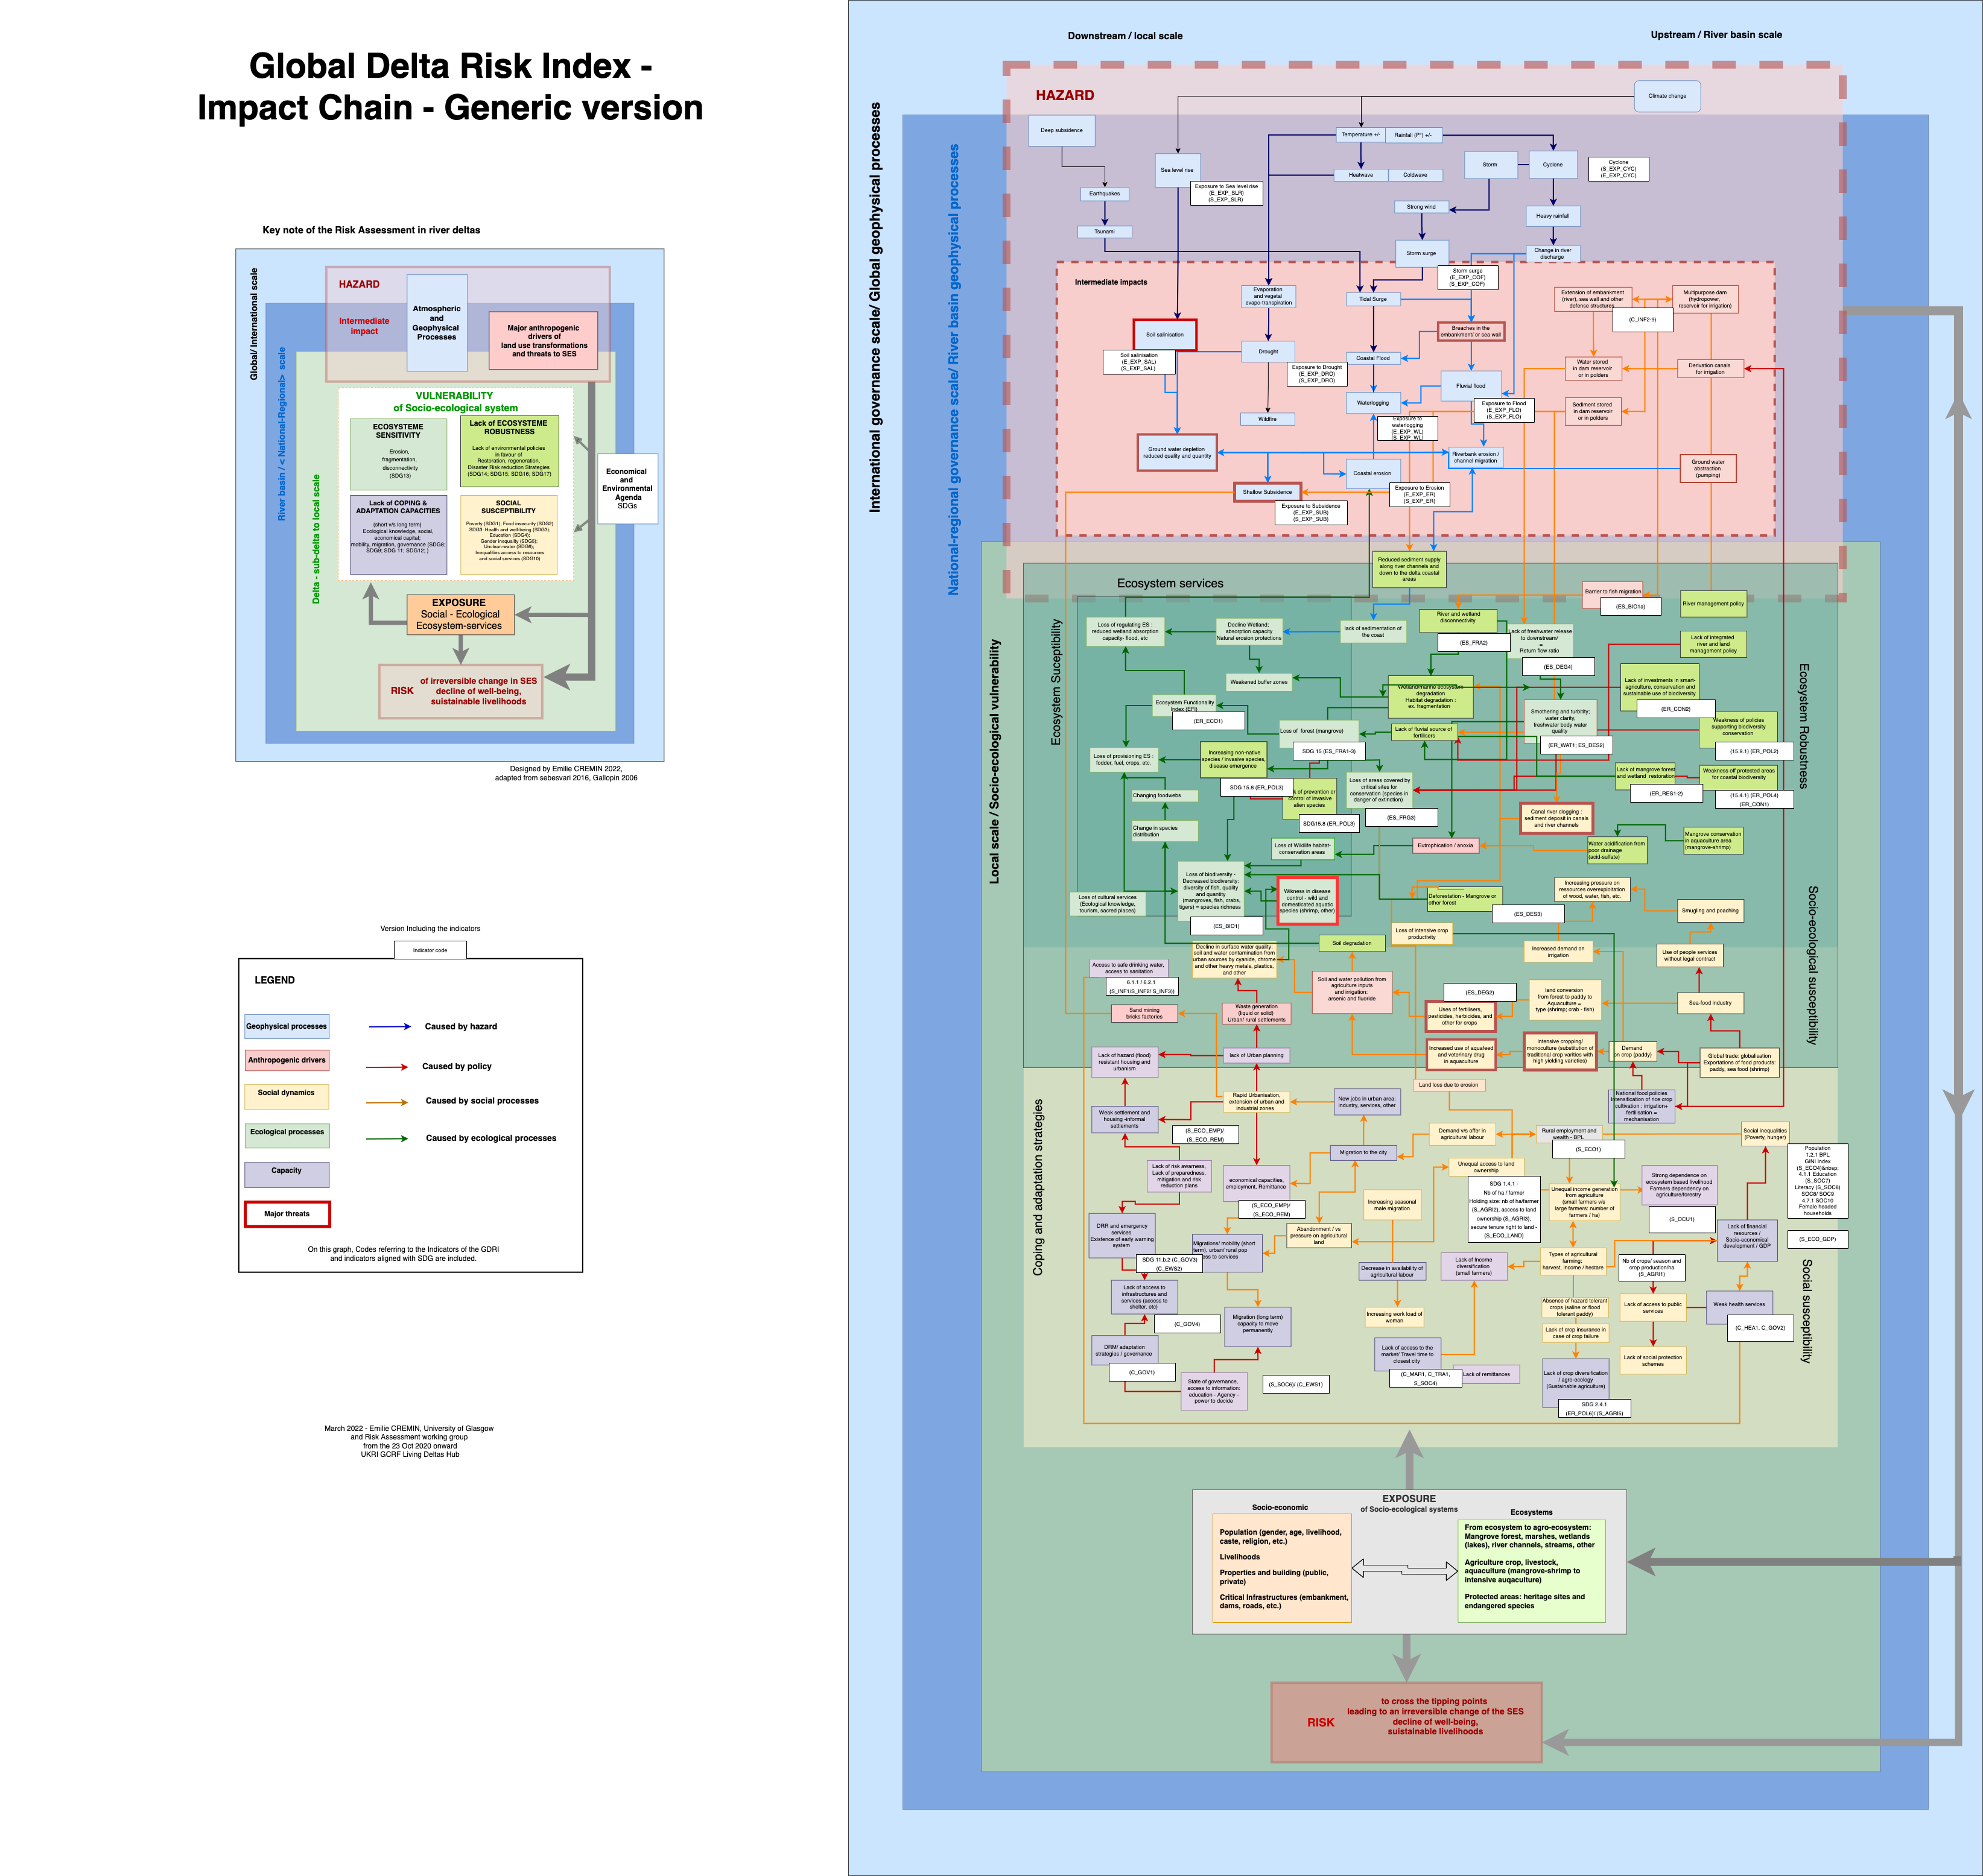
code GDRI | Code SDG |  | GDRI Indicator name/category | Scale/units | provider | SDG Indicator name | Relevancy/ SDG Goal | Comments | computation | SENDAI FRAMEWORK INDICATORS
S | 3.9 | Social susceptibility | Mortality rate attributed to household and ambient air pollution |  |  | 3.9.1 Mortality rate attributed to household and ambient air pollution | 3.9 By 2030, substantially reduce the number of deaths and illnesses from hazardous chemicals and air, water and soil pollution and contamination
C_GOV4 | 11.1 | Adaptation and Coping Capacities | Percentage of population with access to shelter (%)/ Nb of shelter / subdivsion | Commune, village | World bank | Target 11.1: By 2030, ensure access for all to adequate, safe and affordable housing and basic services and upgrade slums (Indicator 11.1.1: Proportion of urban population living in slums, informal settlements or inadequate housing) |  |  |  | Global target G: Substantially increase the availability of and access to multi‑hazard early warning systems and disaster risk information and assessments to the people by 2030: Indicator G-3 - Number of people per 100,000 that are covered by early warning information through local governments or through national dissemination mechanisms.
S_STA1 | 16.1 | Social susceptibility | Prevalence of population who experience violence (%) Or PROXY Homicide rate per 100,000 inhabitants http://homicide.igarape.org.br http://www.visionofhumanity.org | Commune, village |  | Indicator 16.1.1: Number of victims of intentional homicide per 100,000 population, by sex and age; Indicator 16.1.3: Proportion of population subjected to (a) physical violence, (b) psychological violence and (c) sexual violence in the previous 12 months | During and in the aftermath of natural hazards, it is common that the physical infrastructure, institutional services and social networks that can protect people from violence are unavailable or inaccessible. Those include houses, transportation, friends and family, and police protection. Meanwhile, increased stress, mental health issues (e.g. post-traumatic stress disorders), economic losses and other consequences of disasters might lead to an upsurge of self-directed (e.g. suicide) and interpersonal violence (e.g. sexual violence, child abuse and neglect) in both the long and short-term. People who have previously experienced a traumatic event such as sexual victimization are more vulnerable to developing mental distress or being a victim of violence in the aftermath of natural disasters. Therefore, violence must be addressed before, during and after the occurrence of disasters. In this sense, it is recommended to be measured in the vulnerability assessment and considered in all the stages of disaster management. | Violence is a comprehensive concept and measuring its prevalence within a community is a challenging task. Therefore, in this assessment the indicator was measured to the proxy “homicide rate per 100,000 inhabitants”. The proxy does not include non-fatal forms of violence such as sexual abuse, physical and emotional attacks and neglect, what might lead to an underestimation of the problem. However, it has the advantage of relying on objective data that is largely available and comparable. Alternative proxies according to indicator library Percentage of population who experienced sexual violence (rape, sexual assault, sexual offences against children) (%)
C_GOV5 | 13.1.3/ 1.5.4/ 11.b.1 | Adaptation and Coping Capacities | Proportion of local governments that adopt and implement local disaster risk reduction strategies in line with national disaster risk reduction strategies | Commune, village |  | 1.5.4/ 13.1.3 Proportion of local governments that adopt and implement local disaster risk reduction strategies in line with national disaster risk reduction strategies | This indicator is addressed in 2 different SDG : SDG 1 / SDG 13 : SDG1 - End poverty in all its forms everywhere and SDG 13 - Take urgent action to combat climate change and its impacts[a] - 13.1 Strengthen resilience and adaptive capacity to climate-related hazards and natural disasters in all countries | SDG 11- 11.b.1 Number of countries that adopt and implement national disaster risk reduction strategies in line with the Sendai Framework for Disaster Risk Reduction 2015–2030 - 11.b By 2020, substantially increase the number of cities and human settlements adopting and implementing integrated policies and plans towards inclusion, resource efficiency, mitigation and adaptation to climate change, resilience to disasters, and develop and implement, in line with the Sendai Framework for Disaster Risk Reduction 2015-2030, holistic disaster risk management at all levels - Goal 11. Make cities and human settlements inclusive, safe, resilient and sustainable |  | Global target D: Substantially reduce disaster damage to critical infrastructure and disruption of basic services, among them health and educational facilities, including through developing their resilience by 2030: D-1 (compound) - Damage to critical infrastructure attributed to disasters. D-5 (compound) - Number of disruptions to basic services attributed to disasters.
S | 1.1.1 | Social susceptibility | Proportion of population below the international poverty line, by sex, age, employment status and geographical location (urban/rural) |  |  | 1.1.1 Proportion of population below the international poverty line, by sex, age, employment status and geographical location (urban/rural)
S | 1.2.1 | Social susceptibility | Proportion of population living below the national poverty line, by sex and age |  |  | 1.2.1 Proportion of population living below the national poverty line, by sex and age
S_ECO1 | 1.2.1/ 1.2.2 |  | Proportion of population living below the national poverty line, by sex and age - Percentage of population below national poverty line (%) | Commune, village | Bangladesh Bureau of Statistics (BBS) Tendulkar Poverty Definition General Statistics Office of Vietnam (GSO) | 1.2.1 Proportion of population living below the national poverty line, by sex and age/ 1.2.2 Proportion of men, women and children of all ages living in poverty in all its dimensions according to national definitions | Poverty is the deprivation of essential goods, services and opportunities. Poor people are more likely to live in hazard-prone areas (e.g. in unsafe buildings, on floodplains etc.), in precarious conditions and with limited assets (Wisner et al., 2004). This situation increases their exposure and makes them more susceptible to suffer from the impact of natural hazards, while decreasing their coping and adaptation capacities. On the other hand, combating poverty and ensuring the meeting of basic needs can lead to lower risk and greater resilience. This indicator is highly relevant for the present assessment, providing also fundamental information for the elaboration of risk reduction and disaster management strategies. | The concept of poverty is defined differently by countries depending on their specific circumstances. The use of national poverty lines as the threshold for measuring poverty is, therefore, appropriate in local contexts. In cases where the comparability of values across countries is considered important, international parameters such as the World Bank’s poverty line can be adopted. A limitation of this indicator – regardless the choice for national or global thresholds – is that, being solely based on income, it does not consider important forms of non-financial capital (human, social, natural and physical). An alternative that might enable a more comprehensive measurement of poverty is the use of an asset-based poverty index in substitution for the measuring unit proposed. Alternative proxies according to indicator library Percentage of the population below 1.25 US$ per day (%); asset-based poverty index (e.g. DHS Wealth Index)
S | 1.2.2 |  | Social susceptibility |  |  | 1.2.2 Proportion of men, women and children of all ages living in poverty in all its dimensions according to national definitions
AC | 1.3.1 |  | Social susceptibility |  |  | 1.3.1 Proportion of population covered by social protection floors/systems, by sex, distinguishing children, unemployed persons, older persons, persons with disabilities, pregnant women, newborns, work-injury victims and the poor and the vulnerable
S_ECO_SER | 1.4.1 |  |  |  |  | 1.4.1 Proportion of population living in households with access to basic services | Access to services
AC | 1.4.1 |  | Adaptation |  |  | 1.4.1 Proportion of population living in households with access to basic services
S_ECO_LAND | 1.4.2 |  | Proportion of total adult population with secure tenure rights to land, (a) with legally recognized documentation, and (b) who perceive their rights to land as secure, by sex and type of tenure | Commune, village |  | Indicator 1.4.2: Proportion of total adult population with secure tenure rights to land, (a) with legally recognized documentation, and (b) who perceive their rights to land as secure, by sex and type of tenure
 | 1.4.2 |  | Social susceptibility |  |  | 1.4.2 Proportion of total adult population with secure tenure rights to land, (a) with legally recognized documentation, and (b) who perceive their rights to land as secure, by sex and type of tenure
C_GOV2 | 1.5, 13.1 |  | Availability of emergency services (N/S) Access to emergency services: hospitals, fire brigades, police stations Density of emergency services: hospitals, fire brigades, police stations per 100,000 inhabitants / Density of emergency services: hospitals, fire brigades, police stations | Commune, village | OSM | Target 1.5: By 2030, build the resilience of the poor and those in vulnerable situations and reduce their exposure and vulnerability to climate-related extreme events and other economic, social and environmental shocks and disasters, Target 13.1: Strengthen resilience and adaptive capacity to climate-related hazards and natural disasters in all countries (NO indicator, also not in Sendai) | During and in the aftermath of a disaster, the provision of emergency assistance to the affected populations is crucial. Medical care, rescue actions, law enforcement and protection services can help alleviate suffering and save lives. For this reason, the easy and rapid access to sufficient and adequate medical facilities, as well as the proximity to fire brigades and police stations increases people’s capacity to cope with harm from hazards. In addition to promoting public safety, the police can contribute to disaster management by controlling crowd and traffic and conducting search and rescue operations. Firefighters, besides of dealing with fires that threaten people and the built infrastructure, can give primary medical care and transport injured people to hospitals (Fredholm & Göransson, 2010). For a successful disaster management, it is fundamental that both institutions cooperate with each other and work in coordination with governmental agencies and other organizations involved. | This indicator measures the availability of infrastructures and services to provide assistance per 100,000 people. For this purpose, the density of facilities that play a key role in disaster management - namely hospitals, fire brigades and police stations - is assessed and standardized by population. The values allow a good estimate and might be comparable across countries. For a more detailed assessment the quality of services should be analyzed.
New CODE to be added | 1.5.1 |  | ? |  |  | 1.5.1 Number of deaths, missing persons and directly affected persons attributed to disasters per 100,000 population
add CODE? | 1.5.2 |  | Direct economic loss in relation to global GDP, damage to critical infrastructure and number of disruptions to basic services, attributed to disasters | 1km |  | Direct disaster economic loss in relation to global gross domestic product (GDP) | Direct disaster economic loss in relation to global gross domestic product (GDP)
C_HEA3 | 1.a.2 |  | Public health expenditure (% of GDP) | Commune, village | World bank | Indicator 1.a.2: Proportion of total government spending on essential services (education, health and social protection) | The share of economic resources that a national government allocates to healthcare services and facilities can be used as an indicator for the dimension and quality of the country’s health system. Medical attention constitutes an important source of relief in the aftermath of disasters, when injuries and diseases are often among the most acute and debilitating problems faced by affected populations. Therefore, the existence of an adequate and accessible public healthcare system increase the capacities of exposed individuals to cope with the immediate impacts of hazards. In the long-term, proper medical care might also contribute to shorten the recovery period (Cutter et al., 2003; Brooks et al., 2005). | Public health expenditure was measured in this assessment based on the percentage of the GDP a country allocates to healthcare. The values include expenditures aiming and “health maintenance, restoration or enhancement” and directed to services, infrastructure or households (in the form of refund for medical care costs). The adoption of relative (percentage) instead of absolute values allows the analysis of the priority given to healthcare in a nation’s budget and facilitates the comparison of results across countries. National governments are, in general, able to provide “comprehensive and consistent data on health financing”, what contributes to the accuracy and reliability of the data used for this indicator. Since this data was available only at the national level it was combined with C_HEA4 “Private health expenditure (% of GDP)” using the average of both.
 | 10.2.1 |  | Social susceptibility |  |  | 10.2.1 Proportion of people living below 50 per cent of median income, by sex, age and persons with disabilities | 10.2 By 2030, empower and promote the social, economic and political inclusion of all, irrespective of age, sex, disability, race, ethnicity, origin, religion or economic or other status
 | 10.7.2 |  | Social susceptibility |  |  | 10.7.2 Number of countries with migration policies that facilitate orderly, safe, regular and responsible migration and mobility of people | 10.7 Facilitate orderly, safe, regular and responsible migration and mobility of people, including through the implementation of planned and well-managed migration policies
A_GOV4 | 10.b.1 |  | Foreign Direct Investment (FDI) | Commune, village |  | Indicator 10.b.1: Total resource flows for development, by recipient and donor countries and type of flow (e.g. official development assistance, foreign direct investment and other flows) | Foreign direct investment (FDI) – in short, the allocation of capital by individuals or companies based in one nation into businesses in another nation – is the “largest form of private capital flow to developing countries” (Kreimer et al., 2003). Foreign capital inflow has been associated with GDP growth in developing countries (94). In this sense, the amount of FDI received by a country can be used as an indicator of this country’s capacity to bear the economic costs resulting from natural hazards. When investments are made in highly climate-sensitive sectors, such as agriculture, resulting increases in coping and adaptive capacities can be particularly significant. On the other hand, investments in enterprises that depend on the intensive extraction and use of natural resources (e.g. mining) can lead to environmental degradation and increased vulnerability. | The World Bank measures the FDI in a country by calculating the net inflows of investment (new investment inflows less disinvestment) this country received from foreign investors in relation to its GDP. Such measurement criteria was also adopted in this assessment. An advantage of the indicator is the vast availability of data, which is published annually by The Word Bank. Nevertheless, the “data do not give a complete picture of international investment in an economy” for not including, for example, capital raised locally. Comparisons across countries should be made with caution, especially when data sources differ, due to variations in the classification of economies and methods adopted.
S_ECO_SET | 11.1.1 |  | Percentage of population living in informal settlements (%) | Commune, village |  | Indicator 11.1.1: Proportion of urban population living in slums, informal settlements or inadequate housing
 | 11.1.1 |  | Social susceptibility |  |  | 11.1.1 Proportion of urban population living in slums, informal settlements or inadequate housing
 | 11.1.1 |  | social susceptibility |  |  | 11.1.1 Proportion of urban population living in slums, informal settlements or inadequate housing | 11.1 By 2030, ensure access for all to adequate, safe and affordable housing and basic services and upgrade slums
 | 11.2.1 |  | Social susceptibility |  |  | 11.2.1 Proportion of population that has convenient access to public transport, by sex, age and persons with disabilities
 | 11.2.1 |  |  |  |  | 11.2.1 Proportion of population that has convenient access to public transport, by sex, age and persons with disabilities | 11.2 By 2030, provide access to safe, affordable, accessible and sustainable transport systems for all, improving road safety, notably by expanding public transport, with special attention to the needs of those in vulnerable situations, women, children, persons with disabilities and older persons
 | 11.5.1 |  | Social susceptibility |  |  | 11.5.1 Number of deaths, missing persons and directly affected persons attributed to disasters per 100,000 population | 11.5 By 2030, significantly reduce the number of deaths and the number of people affected and substantially decrease the direct economic losses relative to global gross domestic product caused by disasters, including water-related disasters, with a focus on protecting the poor and people in vulnerable situations
 | 11.b.1 |  |  |  |  | 11.b.1 Number of countries that adopt and implement national disaster risk reduction strategies in line with the Sendai Framework for Disaster Risk Reduction 2015–2030 | 11.b By 2020, substantially increase the number of cities and human settlements adopting and implementing integrated policies and plans towards inclusion, resource efficiency, mitigation and adaptation to climate change, resilience to disasters, and develop and implement, in line with the Sendai Framework for Disaster Risk Reduction 2015-2030, holistic disaster risk management at all levels
 | 11.b.2 |  |  |  |  | 11.b.2 Proportion of local governments that adopt and implement local disaster risk reduction strategies in line with national disaster risk reduction strategies
 | 12.a.1 |  |  |  |  | 12.a.1 Amount of support to developing countries on research and development for sustainable consumption and production and environmentally sound technologies | 12.a Support developing countries to strengthen their scientific and technological capacity to move towards more sustainable patterns of consumption and production
C_EWS2 | 13.1,3 |  | Early warning system/monitoring (% of population covered) / Existence of early warning systems (EWS)/Level of progress in EWS according to UNISDR | Commune, village | UNISDR | Target 13.1: Strengthen resilience and adaptive capacity to climate-related hazards and natural disasters in all countries, Target 13.3: Improve education, awareness-raising and human and institutional capacity on climate change mitigation, adaptation, impact reduction and early warning (NO indicator for early warning, but see Sendai) | Early warning systems (EWSs) comprise “an interrelated set of hazard warning, risk assessment, communication and preparedness activities”, aiming to enable those (potentially) affected by extreme natural events to “take timely action to reduce their risks”. Risk knowledge, monitoring and forecasting, response capacity building, and warning communication are the core elements of EWSs (IFRC, 2013). Warnings can be delivered via means such as radio, television, phone calls, SMS (mobile phone short message service) and personal communication. When informed early of the possible occurrence of a hazard, people will likely be less susceptible to and cope better with its associated impacts. For the messages to be effective, it is crucial that receivers are able to understand and prepared to respond to them. This way, this indicator gives an insight into the awareness, preparedness and response time of a potentially exposed population, with higher scores pointing to stronger coping capacities. | The “level of progress in early warning systems” was adopted as a proxy for this indicator. It is periodically measured by the United Nations Office for Disaster Risk Reduction (UNISDR) on a scale ranging from 1 to 4, with values increasing according to the progress achieved by a country within a determined period of time (4 = higher progress). Results are presented in the publication “National progress report on the implementation of the Hyogo Framework for Action”. For this analysis, reports published in 2015 referring to the years from 2013 to 2015 were used. An advantage of the proxy is that a great number of countries are periodically accompanied by the UNISDR, what facilitates the data collection process. Nevertheless, the comparability between countries might be compromised by the relative and qualitative character of the indicator. Rather than the current situation, the UNISDR measures a process, and objective reference values are not provided.
 | 13.1.1 |  |  |  |  | 13.1.1 Number of deaths, missing persons and directly affected persons attributed to disasters per 100,000 population | 13.1 Strengthen resilience and adaptive capacity to climate-related hazards and natural disasters in all countries
 | 13.1.2 |  |  |  |  | 13.1.2 Number of countries that adopt and implement national disaster risk reduction strategies in line with the Sendai Framework for Disaster Risk Reduction 2015–2030
 | 13.1.3 |  |  |  |  | 13.1.3 Proportion of local governments that adopt and implement local disaster risk reduction strategies in line with national disaster risk reduction strategies
 | 14.1.1 |  |  |  |  | 14.1.1 Index of coastal eutrophication and floating plastic debris density | 14.1 By 2025, prevent and significantly reduce marine pollution of all kinds, in particular from land-based activities, including marine debris and nutrient pollution
 | 14.2.1 |  |  |  |  | 14.2.1 Proportion of national exclusive economic zones managed using ecosystem-based approaches | 14.2 By 2020, sustainably manage and protect marine and coastal ecosystems to avoid significant adverse impacts, including by strengthening their resilience, and take action for their restoration in order to achieve healthy and productive oceans
 | 14.3.1 |  |  |  |  | 14.3.1 Average marine acidity (pH) measured at agreed suite of representative sampling stations | 14.3 Minimize and address the impacts of ocean acidification, including through enhanced scientific cooperation at all levels
S_OCU1 | 14.7.1 |  | Dependency on agriculture / forestry / fisheries for livelihood (%) / proxy : Percentage of contribution of agriculture / forestry / fisheries to GPD (%) per province | Commune, village | Bangladesh Bureau of Statistics (BBS) Government of India General Statistics Office of Vietnam (GSO) | Indicator 14.7.1: Sustainable fisheries as a proportion of GDP in small island developing States, least developed countries and all countries (this would fit but for the stipulation of "sustainable") | Agricultural enterprises depend directly on natural resources and are highly sensitive to weather variability, being thus particularly susceptible to the impacts of natural hazards. Therefore, for families that rely on horticulture, livestock, forestry and fishery activities for subsistence, disasters might rapidly lead to economic losses and food insecurity. In rural areas and fishing villages, income and livelihood sources are often similar within each household and the communities as a whole. As a result, people are similarly exposed to the impacts of natural disasters, what increases susceptibility and add to the complexity of coping and adaptations processes. In the long term, the diversification of income and livelihood sources can help farmers and fishermen to become more resilient and better prepared to cope with hazards (Islam et al., 2014). | Due to the unavailability of the data necessary for the calculation of the dependency on agriculture, forestry and fisheries for livelihood in each of the deltas assessed, the contribution of these activities to the countries’ or provinces’ GDPs was used as a proxy. The value allows an estimation of the magnitude of the agriculture and fishery sectors in the study areas. However, by accounting only for the financial outcomes of the activities, it does not necessarily translate their importance for livelihood. When possible, a more detailed analysis of the level of dependence of farming households on agriculture is recommended. Alternative proxies according to indicator library Percentage of contribution of agriculture / forestry / fisheries to GPD (%)
...
code GDRI | Code SDG |  | GDRI Indicator name/category | Scale/units | provider | SDG Indicator name | Relevancy/ SDG Goal | Comments | computation | SENDAI FRAMEWORK INDICATORS
A_GOV6 |  |  | Donor aid for adaptation/ Density of aid projects (governance, DRM) in the past 10 years per km2 | Commune, village |  |  | The magnitude of disaster-related human and material losses in the world have been increasing in the last decades (IPCC, 2012). Developing countries are, due to both climatic and socio-economic aspects, disproportionally affected. At the same time, these countries usually count on limited resources to invest in disaster prevention, mitigation and adaptation. External aid can have an important role in prevention and adaptation. Donor investment has been proved beneficial by contributing to increase communities’ food and water security in times of drought, and their ability to protect their homes and livelihoods in the event of a flood, cyclone or other natural hazard. | In this assessment, the density of adaptation projects implemented in the study areas in a period of 10 years was used as a proxy for the measurement of donor aid for adaptation. Here the density of aid projects in the fields of “democracy and governance” and “disaster & humanitarian” was calculated as a proxy.

